Interface Requirements Electric
General Requirements | Authority Feeds | Building/Developer Lot | Service Sub Feeds | Future/Spare Feeds | Tenancies | Non-Tenancies | Solar
Data Recording Interval [seconds] | 5 | 5 | 900 | 900 | 900 | 900 | 900
Minimum Data to be Trended | Serial number | Serial number | Serial number | Serial number | Serial number | Serial number | Serial number
 | Current Phase Average Sliding Window Demand Delivered | Current Phase Average Sliding Window Demand Delivered | Current Phase Average Sliding Window Demand Delivered | Current Phase Average Sliding Window Demand Delivered | Active Energy Delivered | Active Energy Delivered | Current Phase Average Sliding Window Demand Delivered
 | Apparent Power Sliding Window Demand Delivered+Received | Apparent Power Sliding Window Demand Delivered+Received | Reactive Energy Delivered | Reactive Energy Delivered | Current Phase Average | Current Phase Average | Reactive Energy Delivered
 | Reactive Power Sliding Window Demand Delivered - Received | Reactive Power Sliding Window Demand Delivered - Received | Reactive Energy Received | Reactive Energy Received | Active Power | Active Power | Reactive Energy Received
 | Reactive Energy Delivered | Reactive Energy Delivered | Active Power Sliding Window Demand Delivered-Received | Active Power Sliding Window Demand Delivered-Received | Power Factor Signed | Power Factor Signed | Active Power Sliding Window Demand Delivered-Received
 | Active Power Sliding Window Demand Delivered-Received | Active Power Sliding Window Demand Delivered-Received | Active Energy Delivered | Active Energy Delivered | Average Voltage Line-to-Neutral | Average Voltage Line-to-Neutral | Active Energy Delivered
 | Active Energy Delivered | Active Energy Delivered | Active Energy Received | Active Energy Received | Current Phase A | Current Phase A | Active Energy Received
 | Current Phase Average | Current Phase Average | Active Power | Active Power | Current Phase B | Current Phase B | Active Power
 | Power Factor Signed | Power Factor Signed | Current Phase A | Current Phase A | Current Phase C | Current Phase C | Current Phase A
 | Average Voltage Line-to-Neutral | Average Voltage Line-to-Neutral | Current Phase B | Current Phase B | Average Voltage Line-to-Line | Average Voltage Line-to-Line | Current Phase B
 | Voltage Phases AN | Voltage Phases AN | Current Phase C | Current Phase C | Frequency | Frequency | Current Phase C
 | Voltage Phases BN | Voltage Phases BN | Active Power Phase A | Active Power Phase A |  |  | Active Power Phase A
 | Voltage Phases CN | Voltage Phases CN | Active Power Phase B | Active Power Phase B |  |  | Active Power Phase B
 | Current Phase A | Current Phase A | Active Power Phase C | Active Power Phase C |  |  | Active Power Phase C
 | Current Phase B | Current Phase B | Apparent Power | Apparent Power |  |  | Apparent Power
 | Current Phase C | Current Phase C | Active Energy Delivered Phase A | Active Energy Delivered Phase A |  |  | Active Energy Delivered Phase A
 | Voltage Phases AB | Voltage Phases AB | Active Energy Delivered Phase B | Active Energy Delivered Phase B |  |  | Active Energy Delivered Phase B
 | Voltage Phases BC | Voltage Phases BC | Active Energy Delivered Phase C | Active Energy Delivered Phase C |  |  | Active Energy Delivered Phase C
 | Voltage Phases CA | Voltage Phases CA
 | Average Voltage Line-to-Line | Average Voltage Line-to-Line
 | Apparent Energy Delivered-Received | Apparent Energy Delivered-Received
 | PQ | PQ
 | Harmonics | Harmonics
Alarms | Large Sag/Swell boundaries TBC | Large Sag/Swell boundaries TBC | Energy Delivered = 0 | Energy Delivered > 0 | Energy Delivered = 0 | Energy Delivered = 0 | Energy Received = 0
 | PQ Event | PQ Event | Energy Received > 0 | Energy Received > 0 | Energy Received > 0 | Energy Received > 0 | Energy Delivered > 0
 | Energy Delivered = 0 | Energy Delivered = 0
 | Energy Received > 0 | Energy Received > 0
Notes | Meter data must be available via PME and Avani | Meter data must be available via PME, Avani and Living Campus | Meter data must be available via PME and Avani | Meter data must be available via PME and Avani | Meter data must be available via PME and Avani | Meter data must be available via PME and Avani | Meter data must be available via PME, Avani and Living Campus
 |  |  |  |  | Tenant statements must be configured for the applicable tenancy, | Tenant statements must be configured for the applicable tenancy,
PreQualified Metering Provider | AIT (PME) | AIT (PME) | AIT (PME) | AIT (PME) | AIT (PME) | AIT (PME) | AIT (PME)
 | Avani (Avani and Living Campus) | Avani (Avani and Living Campus) | Avani (Avani and Living Campus) | Avani (Avani and Living Campus) | Avani (Avani and Living Campus) | Avani (Avani and Living Campus) | Avani (Avani and Living Campus)
PreQualified Metering Installation Contractor | Shamrock | Shamrock | Shamrock | Shamrock | Shamrock | Shamrock | Shamrock
 | Williams Electrical | Williams Electrical | Williams Electrical | Williams Electrical | Williams Electrical | Williams Electrical | Williams Electrical
 | Cable8 | Cable8 | Cable8 | Cable8 | Cable8 | Cable8 | Cable8
PreQualified Meter Models | Schneider PM8000 Advanced (PM8000A) | Schneider PM8000 Advanced (PM8000A) | Schneider PM5110 | As per similar meters in the board & their function | Schneider iEM3255 | Schneider iEM3250 | PM3255
 |  |  | Power tags (Only Use for Non-billable Metering) | Power tags (Only Use for Non-billable Metering) |  |  | Power tags (Only Use for Non-billable Metering)
PreQualified IP Gateways |  |  | Schneider PAS800L (Max Devices per PAS800 is 28) | Schneider PAS800L (Max Devices per PAS800 is 28) | Schneider PAS800L (Max Devices per PAS800 is 28) | Schneider PAS800L (Max Devices per PAS800 is 28) | Schneider PAS800L (Max Devices per PAS800 is 28)
PreApproved Protocol |  |  | Modbus | Modbus | Modbus | Modbus | Modbus

Meter Descriptors
 | Descriptor | Detail | Example
Standard Meter Descriptors | MainMeter |  | 500.MSB_01_0001_MainMeter
 | Submains |  | 500.SWB_01_0001_Submains
 | Lighting |  | 500.SWB_01_0001_Lighting
...
Custom Meter Descriptors | Tenant | Tenant descriptor to be advised by properties and incude room reference
 | Riser/Chassis | Riser/Chassis descriptor to include suitable descriptor (e.g. east/west)
 | Plant | Plant descriptor to include Boiler/Chiller/Generator/etc reference
 | Essential | Essential/NonEssential descriptors
 | Safety Services/FIP | Descriptor for specialist safety services
 | Spare | Spare descriptor
 | Specialist Area | Descriptor for specialist area (e.g. hotel, specialist lab, etc)

Network Connection Overview
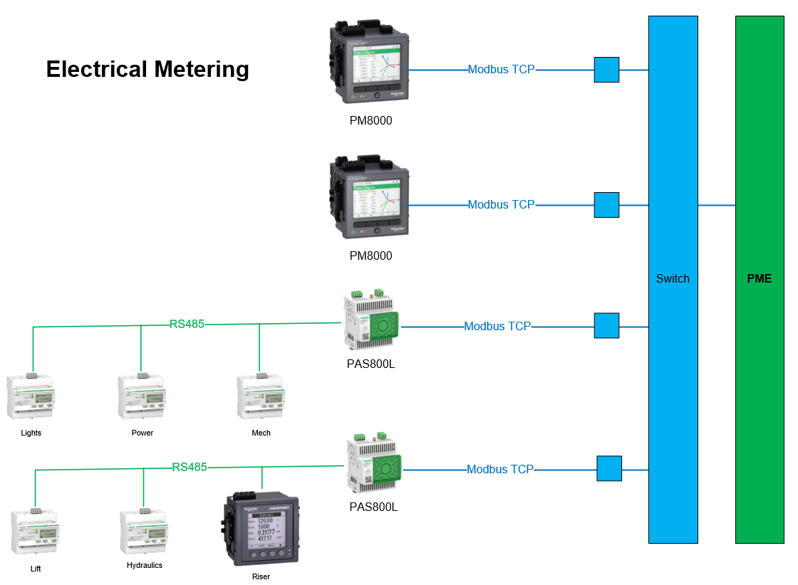

Visualisation Requirements
PME | SLD/Meter Tree Topology | 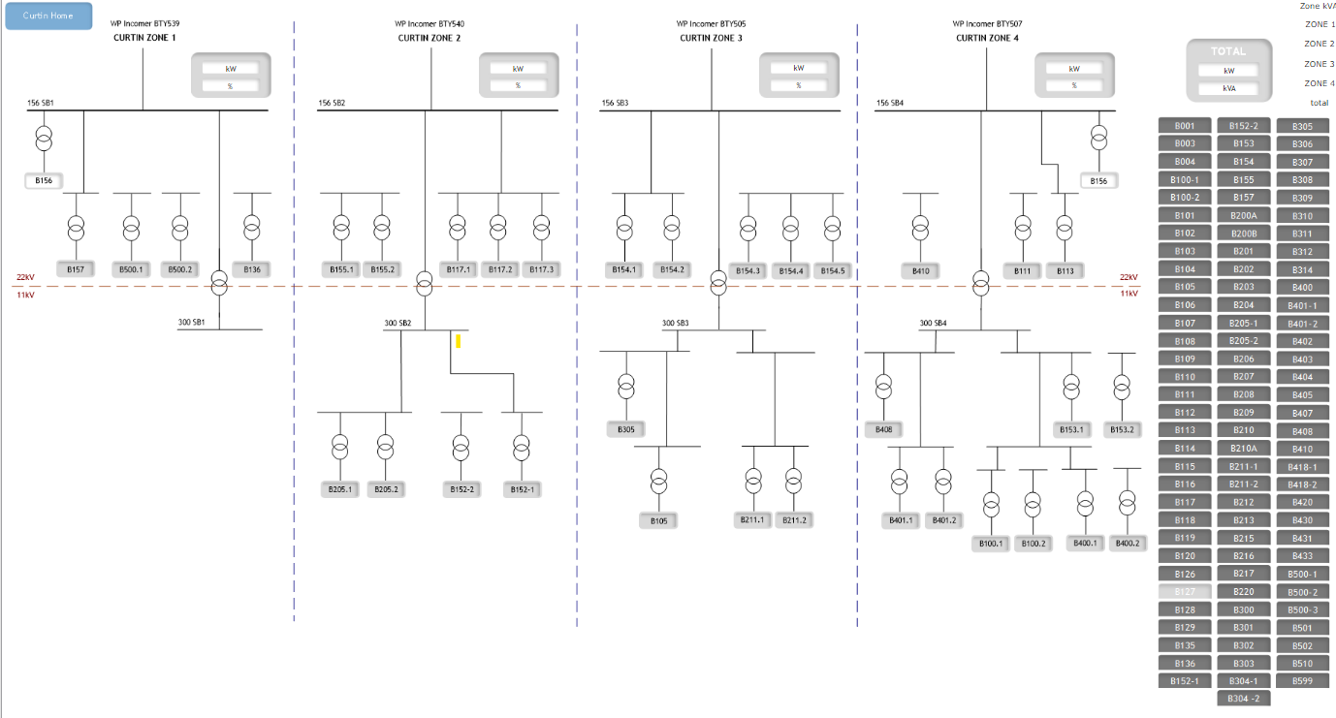 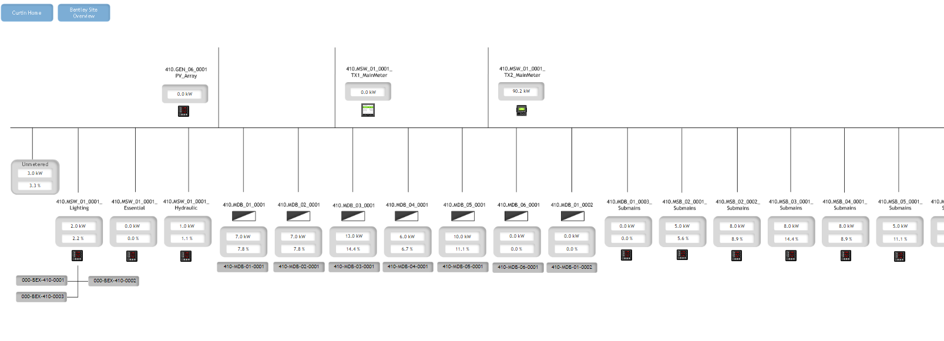 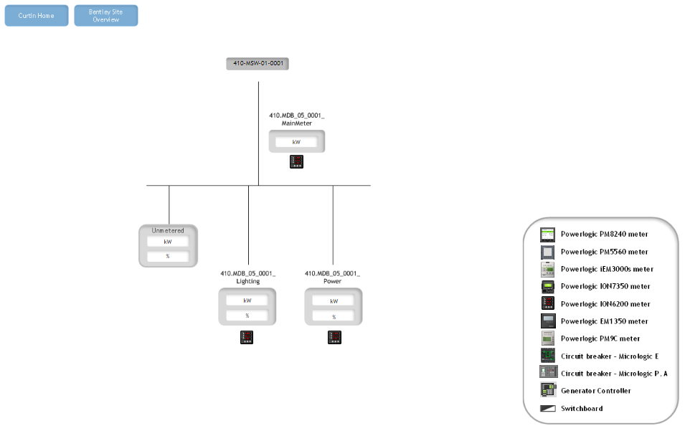 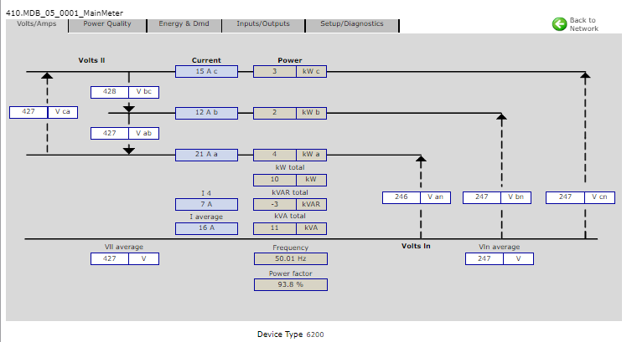
Visio/AutoCAD | Network Topology | See Visualisation Samples Tab
PME | Floorplan view | See Visualisation Samples Tab
Living Campus | Solar Page | To be included post-update in early 2024
 | Building view | To be included post-update in early 2024
 | Plantroom Cooling view | 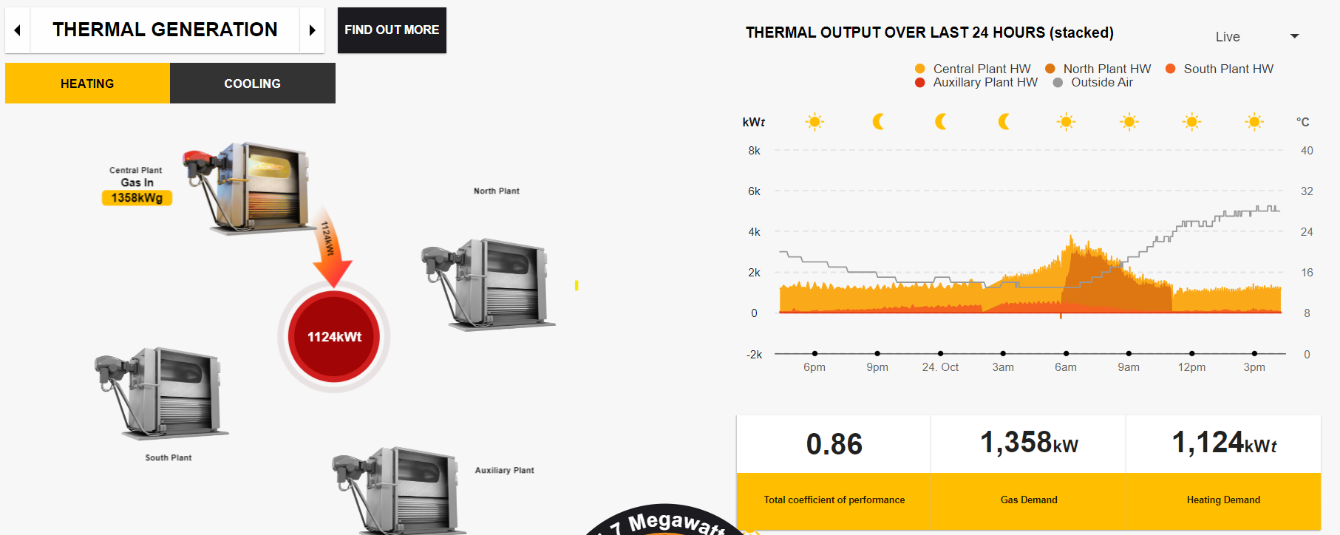 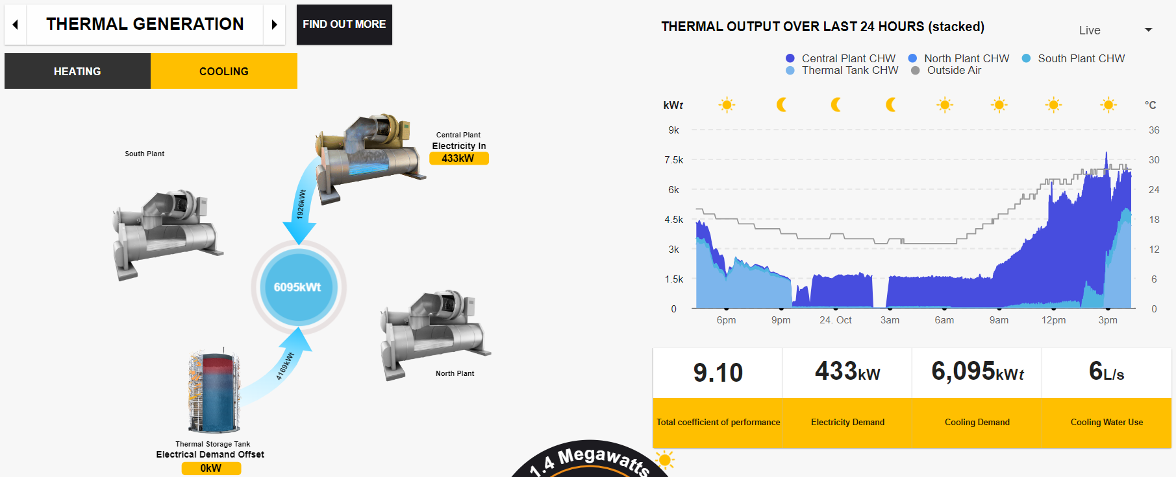
Avani Portal | Points Listing | 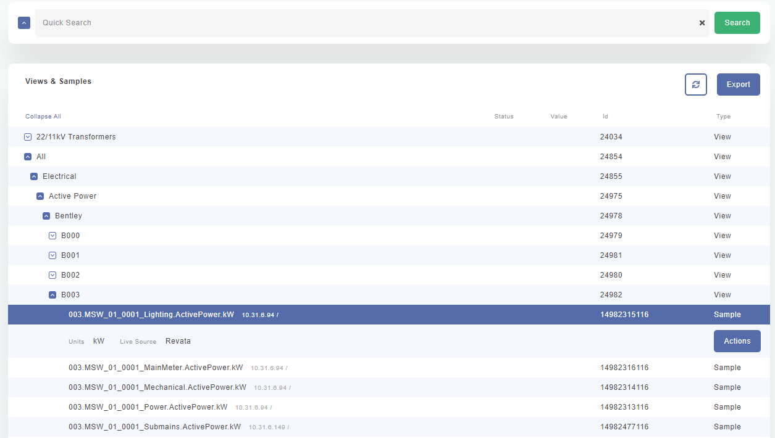
 | API Calls & Tags | 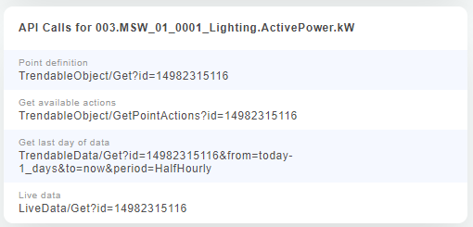
Energy Benchmarking Dashbaords |  | To be discussed in line with energy groupings & portfolio views

Interface Requirements Mech
...
Service Metered | Tenancies | Building/Developer Lot | Mechanical Plantroom
PreApproved Protocol | BACnet & Modbus | BACnet & Modbus | BACnet & Modbus

Meter Descriptors
 | Descriptor | Detail
Standard Meter Descriptors | MainMeter | Where multiple main meters exist for a building an additional descriptor may be required to distinguish
 | Custom
Custom Meter Descriptors | Tenant | Tenant descriptor to be advised by properties and incude room reference
 | Specialist Area | Descriptor for specialist area (e.g. specialist lab, etc)

Network Connection Overview
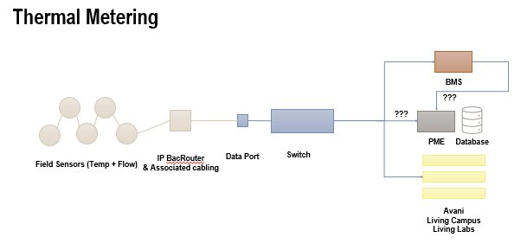

Visualisation Requirements
BMS | Meter Tree Topology | See Visualisation Samples Tab
Visio/AutoCAD | Network Topology | See Visualisation Samples Tab
BMS | Floorplan view | See Visualisation Samples Tab
Living Campus | Building view | To be included post-update in early 2024
 | Plantroom Heating view
 | Plantroom Cooling view
...

Interface Requirements Hyd
...
Meter Descriptors
 | Spare | Spare descriptor
 | Specialist Area | Descriptor for specialist area (e.g. hotel, End of Trip, specialist lab, etc)
Standard Gas Meter Descriptors | MainMeter
 | Custom
Custom Gas Meter Descriptors | Tenant | Tenant descriptor to be advised by properties and incude room reference
 | Mechanical | Boiler referecne to be included in the descriptor
 | Specialist Area | Descriptor for specialist area (e.g. specialist lab, etc)

Network Connection Overview
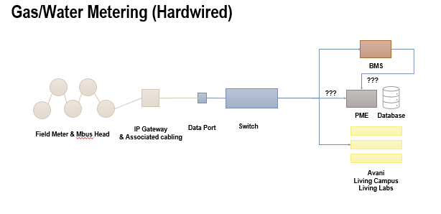 |  | 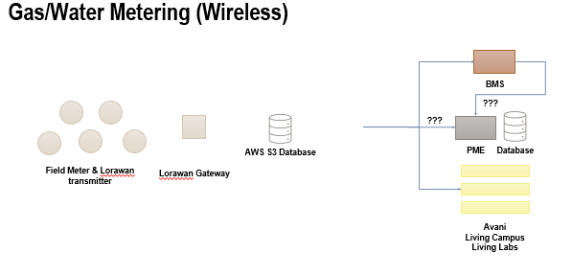

Visualisation Requirements
BMS | Meter Tree Topology | See Visualisation Samples Tab
Visio/AutoCAD | Network Topology | See Visualisation Samples Tab
BMS | Floorplan view | See Visualisation Samples Tab
Living Campus | Building view | To be included post-update in early 2024
 | Plantroom Heating view
 | Plantroom Cooling view
Avani Portal | Points Listing
...

Visualisation Samples
Meter Tree Sample | Network Topology Sample

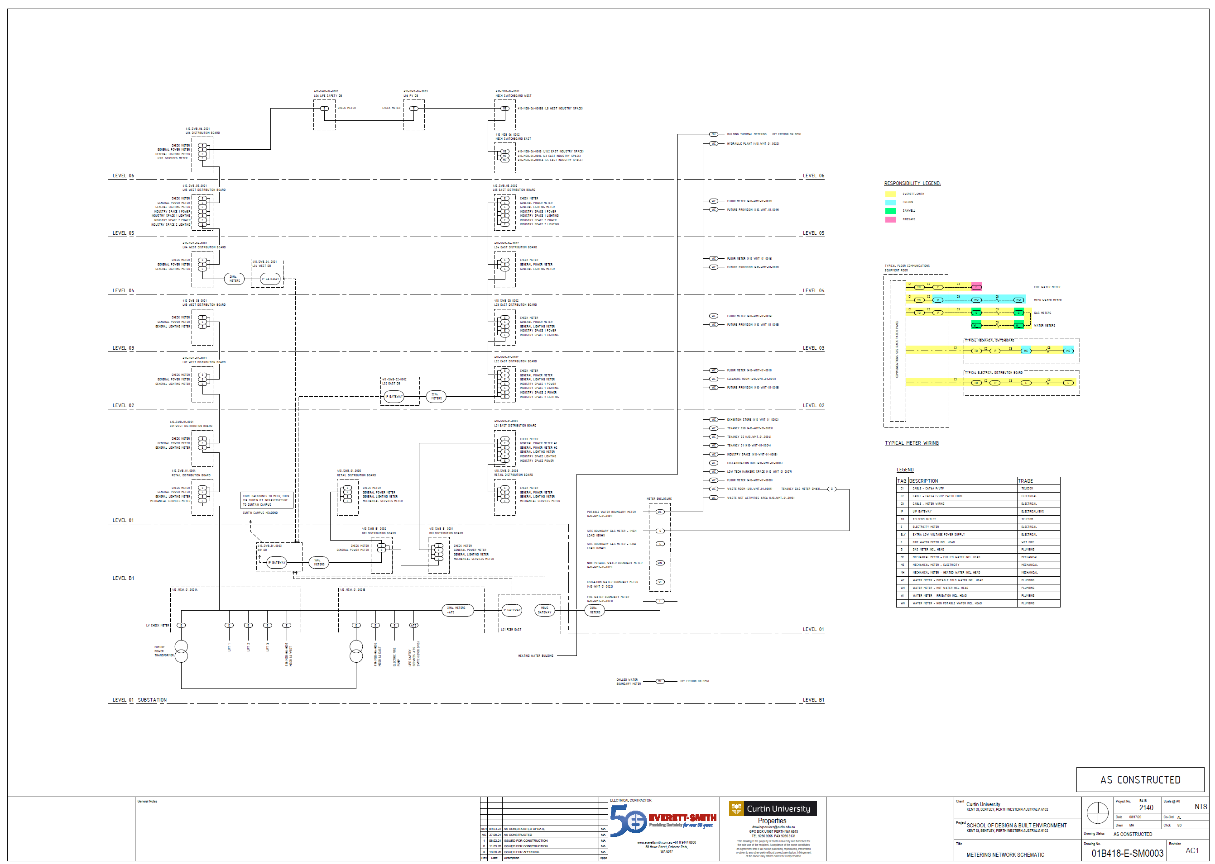
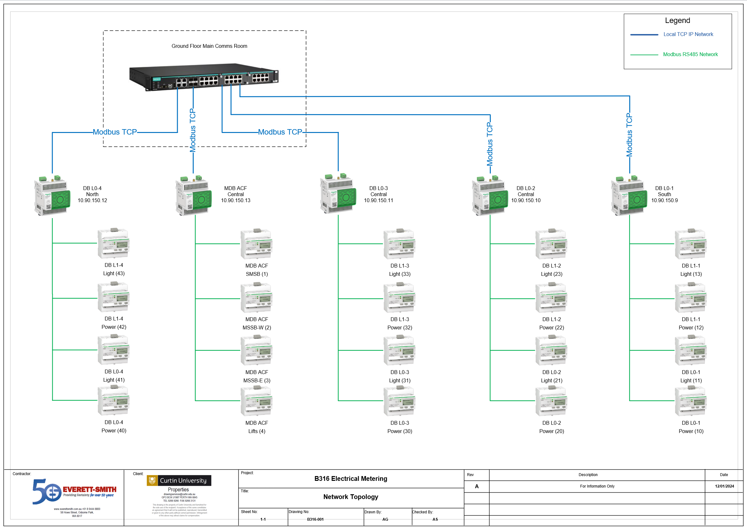

Metering Floor Plan Sample
 | Mech Floor Plan Sample

